Main Girth Flange SH
Item |  |  |  |  | MAIN INPUT DATA |  |  |  |  |  |  |  |  |  |  |  |  |  |  |  |  |  |  |  |  |  |  |  |  |  |  |  |  |  |  |  |  |  |  |  |  | Blinded Threaded Holes? |  |  |  | Wm1 Amplific.
Item | (01) 540-E2032(A-J) R0A |  |  |  | Linked To | Main Girth Flange CH |  |  |  |  |  |  |  |  |  |  |  |  |  |  | Ignore Appendix O of PCC-1 ? | NO | - |  |  |  | 90.000% | <-- Sb.sel: adopted value in % of range. |  |  |  |  |  |  |  |  |  | 913 |  |  |  | NO |  |  |  | 1.00
Component | SHELL: Girth Flange. |  |  |  |  |  |  |  |  |  |  |  |  |  |  |  |  |  |  |  | Tolerance | 0.0000 | mm
 |  |  |  |  |  |  |  |  |  |  |  |  | 1 | 2 | 3 | 4 | 5 | 6 | 7 | 8 | 9 | 10 |  |  |  |  |  |  |  |  |  |  |  |  |  |  |  |  |  |  |  |  | ( 1,232.00 )
Design Data |  |  |  |  | Shell |  |  |  |  |  |  |  | Bolting |  |  |  |  |  |  | Flange Geometry |  |  | SELECT | API 660 + PCC1 App. O Result Data |  |  | Bolting |  |  |  |  |  |  |  |  |  | Radial Minimum Bolt Spacing |  |  |  |  |  |  |  | MINIMUM Number of required Bolts and BCD |  |  |  |  |  |  |  |  |  |  |  |  |  |  |  |  | Flange Ring OD |  |  | Hub (MAX DIMENS.) |  | Bolting |  |  |  |  | MIN ALLOWED NUMBER OF BOLTS |  |  |  |  |  |  |  |  |  |  |  |  |  |  | MAX ALLOWED NUMBER OF BOLTS |  |  | BOLT AREA OVER REQ. |  |  | Final Check of ASME PCC.1 -App. O
Design Pressure: p | 5.9000 | MPa | 855.72 | psi | B | 1760.000 | mm | 69.2913 | in |  |  |  | DN |  |  | Pitch |  | Root Diam (d3) |  | Nb | BCD | OD |  |  |  |  | Ab (1 bolt) |  | Bolt Hole |  | Sm |  |  | Sy |  |  | Rh |  | Rh TENSIONER |  | MIN. BCD |  |  |  | MIN. Bolt |  |  |  |  |  |  |  | Bolt Circumferential Spacing |  |  |  |  | MIN. BCD | BCD | BCD |  | E |  | OD | MIN. TENSIONER |  | DN |  |  | Ab (1 bolt) |  | ASME PCC.1 - App. O |  |  |  |  |  |  |  |  |  |  |  |  |  | Nb. MIN | ASME PCC.1 - App. O |  |  | Nb | Ab | Ab/Am | f.Conv | Sb.Sel (RANGE)
 | 59.0000 | bar | 60.16 | kg/cm² | g0 | 54.000 | mm | 2.1260 | in |  |  |  |  |  |  |  |  |  |  |  | Required |  |  |  |  |  |  |  |  |  | POS | At RT | At T | POS | At RT | At T |  |  |  |  | (GSK) | (Flng. ID) | (D.Min) | MIN | Ab Seat. | Ab Oper. | Ab Req | Calc | PCC1 | DELTA | Imposed | Adopted | MIN. TEMA |  | MIN. TENSIONER |  | MAX | (Spacing) | Required | CHECK |  |  |  |  | g1 | h |  |  |  |  |  | Seating |  |  | Operation |  |  | Sb.MIN | S*b.sel | Ratio | Sb.MAX | A1b Sb.sel | Nb.MinS | Nb.MinO | Nb.Min |  | Ag Sg.Max | A1b Sb.Max | Nb.Max |  |  |  | Ag/nb Abs | MIN(1) | MIN(2) | MIN(3) | MIN | Sb,SEL | SgT | MAX(1) | MAX(2) | MAX | Check
 |  |  |  |  | Use Lung Hub | N |  |  | 0 |  |  |  | in |  | mm | #Treads | mm | in | mm | mm | - | mm |  | CHECK | Sg | Sb (MIN / MAX) | in² | mm² | in | mm |  | MPa | MPa |  | MPa | MPa | in | mm | in | mm | mm | mm | mm | mm | mm² | mm² | mm² | - | - | - | - | - | in | mm | in | mm | mm | mm | mm | - |  | in | mm | mm | mm | mm | in |  | mm | in² | mm² | kN |  | - | kN |  | - | MPa | MPa | - | MPa | kN | - | - |  | - | kN | kN | - | - | mm² | - | - | MPa | MPa | MPa | MPa | MPa | MPa | MPa | MPa | MPa | -
Design Temperature: T | 82.00 | °C | 179.60 | °F | g1 | 82.000 | mm | 3.2283 | in |  |  | 1 | 0.5 | 0.5000 | 12.70 | 13.00 | 1.95 | 0.40 | 10.16 | 1,916 | 19,520.0 | 19,555.0 |  | OK | 323.15 | 289.60 ÷ 413.93 | 0.126 | 81.10 | 0.625 | 15.00 |  | 172.00 | 172.00 | 0 | 724.00 | 684.89 | 0.8125 | 21.00 |  |  | 1855.00 | 1975.00 | 1274.00 | 1975.00 | 22,219.61 | 155,155.31 | 155,155.31 | 1,916 | 1,132 | -40.9% |  | 1,916 | 1.25 | 32.00 |  |  | 197.64 | 19516.22 | 19,520.0 | 32.0 | OK | 0.625 | 16.00 | 19,555.0 | 8,859.00 | 26,415.00 | 0.5 | 0.5000 | 12.70 | 0.126 | 81.10 | Wgs = Wm2 = 3,821.77 | 23,697.66 | 6.20 | Wo = Wm1 = 26,686.71 | 44,451.27 | 1.67 | 289.60 | 485.08 | 2/3 Sy | 506.80 | 39.34 | 603 | 1,130 | 1,130 | 1,132 | 64,322.22 | 41.10 | 1,564 | 1916 | 155,393.7 | 1.002 | 1.089 | 152.5 | 286.1 | 289.6 | 289.6 | 352.0 | 323.1 | 413.9 | 506.8 | 413.9 | OK
 |  |  |  |  | h | 85.000 | mm | 3.3465 | in |  |  | 2 | 0.625 | 0.6250 | 15.88 | 11.00 | 2.31 | 0.51 | 12.88 | 1,192 | 14,800.0 | 14,840.0 |  | OK | 322.74 | 289.60 ÷ 414.45 | 0.202 | 130.20 | 0.75 | 18.00 |  | 172.00 | 172.00 | 0 | 724.00 | 684.89 | 0.9375 | 24.00 |  |  | 1860.00 | 1980.00 | 1280.00 | 1980.00 | 22,219.61 | 155,155.31 | 155,155.31 | 1,192 | 704 | -40.9% |  | 1,192 | 1.5 | 39.00 |  |  | 203.99 | 14797.61 | 14,800.0 | 39.01 | OK | 0.75 | 20.00 | 14,840.0 | 6,496.00 | 19,330.00 | 0.625 | 0.6250 | 15.88 | 0.202 | 130.20 |  | 23,697.66 | 6.20 |  | 44,451.27 | 1.67 | 289.60 | 485.08 | 2/3 Sy | 506.80 | 63.16 | 376 | 704 | 704 | 704 | 64,322.22 | 65.99 | 974 | 1192 | 155,198.6 | 1.000 | 1.091 | 152.7 | 286.4 | 289.6 | 289.6 | 352.0 | 322.7 | 414.5 | 506.8 | 414.5 | OK
External Axial Force: Fa | 150.00 | kN | 33,721.34 | lbf |  |  |  |  |  |  |  | 3 | 0.75 | 0.7500 | 19.05 | 10.00 | 2.54 | 0.62 | 15.75 | 800 | 11,460.0 | 11,505.0 |  | OK | 323.22 | 289.60 ÷ 412.66 | 0.302 | 194.84 | 0.875 | 22.00 |  | 172.00 | 172.00 | 0 | 724.00 | 684.89 | 1.125 | 29.00 |  |  | 1865.00 | 1990.00 | 1290.00 | 1990.00 | 22,219.61 | 155,155.31 | 155,155.31 | 800 | 472 | -41.0% |  | 800 | 1.75 | 45.00 |  |  | 210.34 | 11459.19 | 11,460.0 | 45.00 | OK | 0.8125 | 21.00 | 11,505.0 | 4,821.00 | 14,305.00 | 0.75 | 0.7500 | 19.05 | 0.302 | 194.84 |  | 23,697.66 | 6.20 |  | 44,451.27 | 1.67 | 289.60 | 485.08 | 2/3 Sy | 506.80 | 94.51 | 251 | 471 | 471 | 472 | 64,322.22 | 98.74 | 651 | 800 | 155,871.0 | 1.005 | 1.086 | 152.0 | 285.2 | 289.6 | 289.6 | 351.0 | 323.2 | 412.7 | 506.8 | 412.7 | OK
External Bending Moment: Me | 300.00 | kNm | 221,268.30 | lbf ft | Minium Allowable External Diameter |  | mm | 0.0000 | in |  |  | 4 | 0.875 | 0.8750 | 22.22 | 9.00 | 2.82 | 0.73 | 18.56 | 576 | 9,720.0 | 9,770.0 |  | OK | 323.10 | 289.60 ÷ 412.81 | 0.419 | 270.51 | 1 | 25.00 |  | 172.00 | 172.00 | 0 | 724.00 | 684.89 | 1.25 | 32.00 |  |  | 1865.00 | 1995.00 | 1296.00 | 1995.00 | 22,219.61 | 155,155.31 | 155,155.31 | 576 | 340 | -41.0% |  | 576 | 2.0625 | 53.00 |  |  | 216.69 | 9717.41 | 9,720.0 | 53.01 | OK | 0.9375 | 24.00 | 9,770.0 | 3,948.00 | 11,685.00 | 0.875 | 0.8750 | 22.22 | 0.419 | 270.51 |  | 23,697.66 | 6.20 |  | 44,451.27 | 1.67 | 289.60 | 485.08 | 2/3 Sy | 506.80 | 131.22 | 181 | 339 | 339 | 340 | 64,322.22 | 137.10 | 469 | 576 | 155,816.5 | 1.004 | 1.086 | 152.1 | 285.3 | 289.6 | 289.6 | 351.0 | 323.1 | 412.8 | 506.8 | 412.8 | OK
Equiv. Pressure: Axial Load = (4*max(F,0)/(pi*G^2)) | 0.585 | bar | 84.88 | psi |  |  |  |  |  |  |  | 5 | 1 | 1.0000 | 25.40 | 8.00 | 3.18 | 0.84 | 21.28 | 440 | 8,125.0 | 8,180.0 |  | OK | 324.36 | 289.60 ÷ 411.20 | 0.551 | 355.51 | 1.125 | 28.00 |  | 172.00 | 172.00 | 0 | 724.00 | 684.89 | 1.375 | 35.00 |  |  | 1870.00 | 2000.00 | 1302.00 | 2000.00 | 22,219.61 | 155,155.31 | 155,155.31 | 440 | 260 | -40.9% |  | 440 | 2.25 | 58.00 |  |  | 223.04 | 8123.34 | 8,125.0 | 58.01 | OK | 1.0625 | 27.00 | 8,180.0 | 3,147.00 | 9,280.00 | 1 | 1.0000 | 25.40 | 0.551 | 355.51 |  | 23,697.66 | 6.20 |  | 44,451.27 | 1.67 | 289.60 | 485.08 | 2/3 Sy | 506.80 | 172.45 | 138 | 258 | 258 | 260 | 64,322.22 | 180.17 | 357 | 440 | 156,424.3 | 1.008 | 1.082 | 151.5 | 284.2 | 289.6 | 289.6 | 351.0 | 324.4 | 411.2 | 506.8 | 411.2 | OK
Equiv. Pressure: Bending Load = (16*abs(M)/(pi*G^3)) | 2.592 | bar | 375.90 | psi | Type of Allowance | CLAD |  |  | 2 |  |  | 6 | 1.125 | 1.1250 | 28.58 | 8.00 | 3.18 | 0.96 | 24.45 | 332 | 6,765.0 | 6,825.0 |  | OK | 323.25 | 289.60 ÷ 412.63 | 0.728 | 469.53 | 1.25 | 32.00 |  | 172.00 | 172.00 | 0 | 724.00 | 684.89 | 1.5 | 39.00 |  |  | 1875.00 | 2010.00 | 1310.00 | 2010.00 | 22,219.61 | 155,155.31 | 155,155.31 | 332 | 196 | -41.0% |  | 332 | 2.5 | 64.00 |  |  | 229.39 | 6763.55 | 6,765.0 | 64.01 | OK | 1.125 | 29.00 | 6,825.0 | 2,463.00 | 7,230.00 | 1.125 | 1.1250 | 28.58 | 0.728 | 469.53 |  | 23,697.66 | 6.20 |  | 44,451.27 | 1.67 | 289.60 | 485.08 | 2/3 Sy | 506.80 | 227.76 | 105 | 196 | 196 | 196 | 64,322.22 | 237.96 | 270 | 332 | 155,885.4 | 1.005 | 1.086 | 152.0 | 285.2 | 289.6 | 289.6 | 351.0 | 323.2 | 412.6 | 506.8 | 412.6 | OK
Equivalent Design Pressure (Total) | 3.177 | bar | 460.78 | psi | - CLAD Internal | 3.000 | mm | 0.1181 | in |  |  | 7 | 1.25 | 1.2500 | 31.75 | 8.00 | 3.18 | 1.09 | 27.63 | 260 | 5,960.0 | 6,025.0 |  | OK | 323.16 | 289.60 ÷ 412.74 | 0.929 | 599.39 | 1.375 | 35.00 |  | 172.00 | 172.00 | 0 | 724.00 | 684.89 | 1.75 | 45.00 |  |  | 1875.00 | 2020.00 | 1322.00 | 2020.00 | 22,219.61 | 155,155.31 | 155,155.31 | 260 | 156 | -40.0% |  | 260 | 2.8125 | 72.00 |  |  | 235.74 | 5958.91 | 5,960.0 | 72.01 | OK | 1.25 | 32.00 | 6,025.0 | 2,055.00 | 6,005.00 | 1.25 | 1.2500 | 31.75 | 0.929 | 599.39 |  | 23,697.66 | 6.20 |  | 44,451.27 | 1.67 | 289.60 | 485.08 | 2/3 Sy | 506.80 | 290.75 | 82 | 153 | 153 | 156 | 64,322.22 | 303.77 | 211 | 260 | 155,842.3 | 1.004 | 1.086 | 152.1 | 285.2 | 289.6 | 289.6 | 351.0 | 323.2 | 412.7 | 506.8 | 412.7 | OK
 |  |  |  |  | - CLAD External | 0.000 | mm | 0.0000 | in |  |  | 8 | 1.375 | 1.3750 | 34.93 | 8.00 | 3.18 | 1.21 | 30.80 | 212 | 5,265.0 | 5,335.0 |  | OK | 325.68 | 289.60 ÷ 407.21 | 1.155 | 745.09 | 1.5 | 38.00 |  | 172.00 | 172.00 | 0 | 724.00 | 684.89 | 1.875 | 48.00 | 2.0078740157 | 51.00 | 1880.00 | 2035.00 | 1334.00 | 2035.00 | 22,219.61 | 155,155.31 | 155,155.31 | 212 | 124 | -41.5% |  | 212 | 3.0625 | 78.00 | 2.9921259843 | 76.00 | 242.09 | 5263.76 | 5,265.0 | 78.02 | OK | 1.375 | 35.00 | 5,335.0 | 1,701.00 | 4,945.00 | 1.375 | 1.3750 | 34.93 | 1.155 | 745.09 |  | 23,697.66 | 6.20 |  | 44,451.27 | 1.67 | 289.60 | 485.08 | 2/3 Sy | 506.80 | 361.43 | 66 | 123 | 123 | 124 | 64,322.22 | 377.61 | 170 | 212 | 157,958.4 | 1.018 | 1.072 | 150.0 | 281.4 | 289.6 | 289.6 | 349.0 | 325.7 | 407.2 | 506.8 | 407.2 | OK
 |  |  |  |  |  |  |  |  |  |  |  | 9 | 1.5 | 1.5000 | 38.10 | 8.00 | 3.18 | 1.34 | 33.98 | 172 | 4,820.0 | 4,900.0 |  | OK | 323.36 | 289.60 ÷ 412.49 | 1.405 | 906.62 | 1.625 | 42.00 |  | 172.00 | 172.00 | 0 | 724.00 | 684.89 | 2 | 51.00 | 2.5984251969 | 66.00 | 1885.00 | 2065.00 | 1364.00 | 2065.00 | 22,219.61 | 155,155.31 | 155,155.31 | 172 | 104 | -39.5% |  | 172 | 3.25 | 83.00 | 3.4645669291 | 88.00 | 248.44 | 4818.21 | 4,820.0 | 88.03 | OK | 1.5 | 39.00 | 4,900.0 | 1,464.00 | 4,230.00 | 1.5 | 1.5000 | 38.10 | 1.405 | 906.62 |  | 23,697.66 | 6.20 |  | 44,451.27 | 1.67 | 289.60 | 485.08 | 2/3 Sy | 506.80 | 439.78 | 54 | 102 | 102 | 104 | 64,322.22 | 459.47 | 139 | 172 | 155,937.8 | 1.005 | 1.085 | 152.0 | 285.1 | 289.6 | 289.6 | 351.0 | 323.4 | 412.5 | 506.8 | 412.5 | OK
Test Pressure (pt) | 8.8500 | MPa | 1,283.58 | psi | Design Pressure: p | 59.00 | bar | 855.72 | psi |  |  | 10 | 1.625 | 1.6250 | 41.28 | 8.00 | 3.18 | 1.46 | 37.15 | 144 | 4,130.0 | 4,215.0 |  | OK | 323.68 | 289.60 ÷ 412.08 | 1.680 | 1,083.98 | 1.75 | 45.00 |  | 172.00 | 172.00 | 0 | 724.00 | 684.89 | 2.125 | 54.00 | 2.5984251969 | 66.00 | 1885.00 | 2065.00 | 1364.00 | 2065.00 | 22,219.61 | 155,155.31 | 155,155.31 | 144 | 88 | -38.9% |  | 144 | 3.5 | 89.00 | 3.5433070866 | 90.00 | 254.79 | 4125.62 | 4,130.0 | 90.10 | OK | 1.625 | 42.00 | 4,215.0 | 1,119.00 | 3,195.00 | 1.625 | 1.6250 | 41.28 | 1.680 | 1,083.98 |  | 23,697.66 | 6.20 |  | 44,451.27 | 1.67 | 289.60 | 485.08 | 2/3 Sy | 506.80 | 525.82 | 46 | 85 | 85 | 88 | 64,322.22 | 549.36 | 117 | 144 | 156,092.8 | 1.006 | 1.084 | 151.8 | 284.8 | 289.6 | 289.6 | 351.0 | 323.7 | 412.1 | 506.8 | 412.1 | OK
 | 88.5000 | bar |  |  | Design Temperature: T | 82.00 | °C | 179.60 | °F |  |  | 11 | 1.75 | 1.7500 | 44.45 | 8.00 | 3.18 | 1.59 | 40.33 | 124 | 3,790.0 | 3,880.0 |  | OK | 325.59 | 289.60 ÷ 406.15 | 1.980 | 1,277.18 | 1.875 | 48.00 |  | 172.00 | 172.00 | 0 | 724.00 | 684.89 | 1.25 | 32.00 | 2.5984251969 | 66.00 | 1890.00 | 2065.00 | 1364.00 | 2065.00 | 22,219.61 | 155,155.31 | 155,155.31 | 124 | 72 | -41.9% |  | 124 | 3.75 | 96.00 | 3.7007874016 | 94.00 | 261.14 | 3789.57 | 3,790.0 | 96.01 | OK | 1.75 | 45.00 | 3,880.0 | 949.00 | 2,685.00 | 1.75 | 1.7500 | 44.45 | 1.980 | 1,277.18 |  | 23,697.66 | 6.20 |  | 44,451.27 | 1.67 | 289.60 | 485.08 | 2/3 Sy | 506.80 | 619.53 | 39 | 72 | 72 | 72 | 64,322.22 | 647.27 | 99 | 124 | 158,369.8 | 1.021 | 1.069 | 149.6 | 280.7 | 289.6 | 289.6 | 348.0 | 325.6 | 406.2 | 506.8 | 406.2 | OK
 |  |  |  |  |  |  |  |  |  |  |  | 12 | 1.875 | 1.8750 | 47.63 | 8.00 | 3.18 | 1.71 | 43.50 | 108 | 3,785.0 | 3,885.0 |  | OK | 327.15 | 289.60 ÷ 400.74 | 2.304 | 1,486.21 | 2 | 52.00 |  | 172.00 | 172.00 | 0 | 724.00 | 684.89 | 2.375 | 61.00 | 3.2086614173 | 81.50 | 1895.00 | 2095.00 | 1395.00 | 2095.00 | 22,219.61 | 155,155.31 | 155,155.31 | 108 | 64 | -40.7% |  | 108 | 4 | 102.00 | 4.3307086614 | 110.00 | 267.49 | 3782.05 | 3,785.0 | 110.09 | OK | 1.875 | 48.00 | 3,885.0 | 931.00 | 2,635.00 | 1.875 | 1.8750 | 47.63 | 2.304 | 1,486.21 |  | 23,697.66 | 6.20 |  | 44,451.27 | 1.67 | 289.60 | 485.08 | 2/3 Sy | 506.80 | 720.93 | 33 | 62 | 62 | 64 | 64,322.22 | 753.21 | 85 | 108 | 160,510.4 | 1.035 | 1.055 | 147.6 | 276.9 | 289.6 | 289.6 | 345.0 | 327.1 | 400.7 | 506.8 | 400.7 | OK
Allowance Data |  |  |  |  | Add Full Vaccum CASE (opposite Chamber) | Y |  |  | 1 |  |  | 13 | 2 | 2.0000 | 50.80 | 8.00 | 3.18 | 1.84 | 46.68 | 92 | 3,285.0 | 3,390.0 |  | OK | 324.57 | 289.60 ÷ 408.61 | 2.652 | 1,711.07 | 2.125 | 55.00 |  | 172.00 | 172.00 | 0 | 724.00 | 684.89 | 2.5 | 64.00 | 3.2086614173 | 81.50 | 1895.00 | 2095.00 | 1395.00 | 2095.00 | 22,219.61 | 155,155.31 | 155,155.31 | 92 | 56 | -39.1% |  | 92 | 4.25 | 108.00 | 4.4094488189 | 112.00 | 273.84 | 3280.50 | 3,285.0 | 112.15 | OK | 2 | 51.00 | 3,390.0 | 681.00 | 1,885.00 | 2 | 2.0000 | 50.80 | 2.652 | 1,711.07 |  | 23,697.66 | 6.20 |  | 44,451.27 | 1.67 | 289.60 | 485.08 | 2/3 Sy | 506.80 | 830.01 | 29 | 54 | 54 | 56 | 64,322.22 | 867.17 | 74 | 92 | 157,418.8 | 1.015 | 1.075 | 150.5 | 282.4 | 289.6 | 289.6 | 349.0 | 324.6 | 408.6 | 506.8 | 408.6 | OK
Type of Allowance | CLAD |  |  |  |  |  |  |  |  |  |  | 14 | 2.25 | 2.2500 | 57.15 | 8.00 | 3.18 | 2.09 | 53.03 | 72 | 2,775.0 | 2,895.0 |  | OK | 325.95 | 289.60 ÷ 404.55 | 3.423 | 2,208.31 | 2.375 | 62.00 |  | 172.00 | 172.00 | 0 | 724.00 | 684.89 | 2.75 | 70.00 | 3.2086614173 | 81.50 | 1905.00 | 2095.00 | 1395.00 | 2095.00 | 22,219.61 | 155,155.31 | 155,155.31 | 72 | 44 | -38.9% |  | 72 | 4.75 | 121.00 | 4.6456692913 | 118.00 | 286.54 | 2774.00 | 2,775.0 | 121.04 | OK | 2.25 | 58.00 | 2,895.0 | 426.00 | 1,120.00 | 2.25 | 2.2500 | 57.15 | 3.423 | 2,208.31 |  | 23,697.66 | 6.20 |  | 44,451.27 | 1.67 | 289.60 | 485.08 | 2/3 Sy | 506.80 | 1,071.21 | 23 | 42 | 42 | 44 | 64,322.22 | 1,119.17 | 57 | 72 | 158,998.4 | 1.025 | 1.065 | 149.0 | 279.6 | 289.6 | 289.6 | 347.0 | 325.9 | 404.5 | 506.8 | 404.5 | OK
...
Item |  |  |  |  | MAIN INPUT DATA
 | #VALUE! | MPa | #VALUE! | ksi
 |  |  |  |  | Gasket: Pass Partition Type | 1
Material Data - Flange |  |  |  |  | Self energizing type (O rings, elastomers etc.) | 0 | -
 |  |  |  |  |  | 0.000 | MPa
Allowable Stress - RT (sfg) |  | MPa | 0.000 | ksi |  |  | -
Allowable Stress - DT (sf0) |  | MPa | 0.000 | ksi |  |  | MPa
Allowable Stress - TEST (Sft) |  | MPa | 0.000 | ksi
 |  |  |  |  | Defaults
Graphical Result |  |  |  |  | Flange: MIN Radial distance (Bolt Hole)-(Facing) | 5.000 | mm
 |  |  |  |  | Flange: MIN Radial distance (Facing)-(Gasket OD) | 1.500 | mm
 | BCD | BCD Min. | Nb | Nb.Min
0.5 | 19,520.0 | 1975.00 | 1,916 | 1,916
0.625 | 14,800.0 | 1980.00 | 1,192 | 1,192
0.75 | 11,460.0 | 1990.00 | 800 | 800
0.875 | 9,720.0 | 1995.00 | 576 | 576
1 | 8,125.0 | 2000.00 | 440 | 440
1.125 | 6,765.0 | 2010.00 | 332 | 332
1.25 | 5,960.0 | 2020.00 | 260 | 260
1.375 | 5,265.0 | 2035.00 | 212 | 212
1.5 | 4,820.0 | 2065.00 | 172 | 172
1.625 | 4,130.0 | 2065.00 | 144 | 144
1.75 | 3,790.0 | 2065.00 | 124 | 124
1.875 | 3,785.0 | 2095.00 | 108 | 108
2 | 3,285.0 | 2095.00 | 92 | 92
2.25 | 2,775.0 | 2095.00 | 72 | 72
2.5 | 2,600.0 | 2125.00 | 60 | 60
2.75 | 2,435.0 | 2125.00 | 52 | 52
3 | 2,275.0 | 2165.00 | 44 | 44
3.25 | 2,165.0 | 2165.00 | 36 | 36
3.5 | 2,165.0 | 2165.00 | 32 | 32
3.75 | 2,165.0 | 2165.00 | 28 | 28
4 | 2,170.0 | 2170.00 | 28 | 28
4.5 | 2,245.0 | 2245.00 | 24 | 24
4.75 | 2,265.0 | 2265.00 | 20 | 20
5 | 2,275.0 | 2275.00 | 20 | 20
5.25 | 2,295.0 | 2295.00 | 16 | 16
5.5 | 2,305.0 | 2305.00 | 16 | 16
5.75 | 2,320.0 | 2320.00 | 16 | 16
6 | 2,335.0 | 2335.00 | 16 | 16
 |  |  |  |  | Flange: MIN Radial distance (Flange ID)-(Gasket ID) | 0.000 | mm
 |  |  |  |  | Flange-Tubesheet: MIN Radial distance between Facings | 3.000 | mm
 |  |  |  |  | Flange: Minimum Hub Length | 25.000 | mm
...
Item |  |  |  |  | MAIN INPUT DATA
Basic Tubesheet Geometry
Gasket Facing Diameter (UPPER) | 1826.000 | mm | 71.8898 | in
Gasket Facing Diameter (LOWER) | 1754.000 | mm | 69.0551 | in
...
Item |  |  |  |  | MAIN INPUT DATA
Basic Flange Geometry
Thickness (t) | 125.000 | mm | 4.9213 | in
Thickness (t) - Corroded | 122.000 | mm | 4.8031 | in
Inside Diameter (B) | 1760.000 | mm | 69.2913 | in
Inside Diameter (B) - Corroded | 1766.000 | mm | 69.5276 | in
Gasket Facing Diameter | 1829.000 | mm | 72.0079 | in
External Diameter (A) | 4215.000 | mm² | 6.53 | in²
...
Item |  |  |  |  | MAIN INPUT DATA
Hub Geometry
...
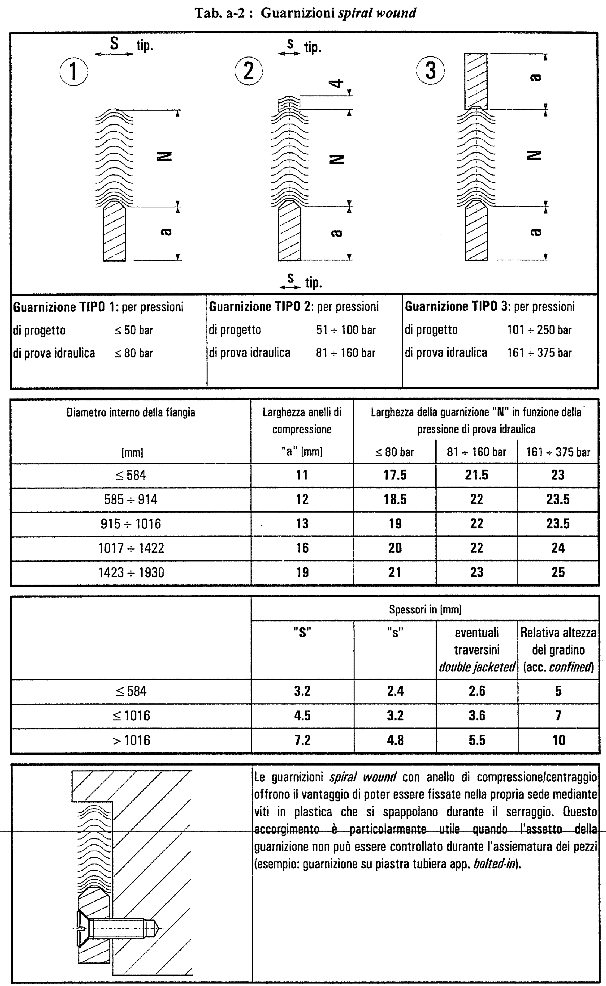
...
 |  |  |  |  | MAIN INPUT DATA
 |  | rad
...
 |  | mm | 1.6250 | in
 |  | mm | 0.1250 | in
 |  | TPI | 8.00 | TPI
 |  | mm | 1.4626 | in
 |  | mm | 0.0000 | in
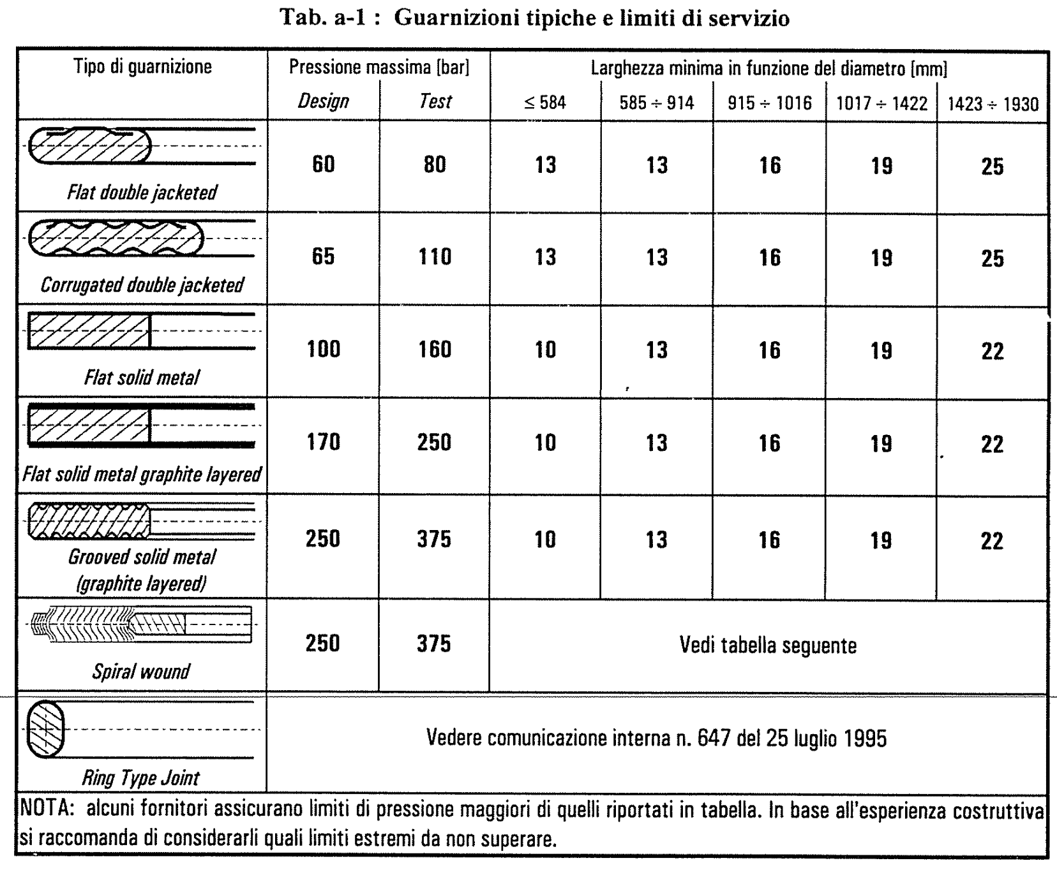
 |  | mm | 42.6763 | in
 |  | mm | 162.5984 | in
 |  | - | 144 | -
 |  | mm | 3.5471 | in
 |  | mm | 43.4252 | in
 |  | mm | 1.6732 | in
...
 |  | mm | 0.0000 | in
 |  | mm | 1.1811 | in
 |  | mm | 0.0000 | in
 |  | mm | 71.8898 | in
 |  | mm | 71.8898 | in
 |  | mm | 69.5276 | in
 |  | mm | 69.5276 | in
 |  | mm | 0.1772 | in
 |  | mm | 0.1181 | in
 |  | mm | 0.0000 | in
 |  | mm | 0.0000 | in
 |  | -
 |  | MPa | 10.008 | ksi
 |  | -
 |  | MPa | 0.000 | ksi
...
 |  | mm | 70.7087 | in
 |  | mm | 1.1811 | in
 |  | mm | 0.5906 | in
 |  | - | 0.5 | -
 |  | mm | 0.3842 | in
 |  | mm | 71.1213 | in
 |  | mm | 0.0000 | in
 |  | mm | 0.0000 | in
...
 |  | mm² | 262.37 | in²
 |  | mm² | 0.00 | in²
 |  | % | 50.00% | %
...
 |  |  |  |  |  |  |  |  |  | API 660
 |  |  |  |  |  |  |  |  |  | Kammp. | Solid
 |  |  |  |  | ----------------------------------------------------------------------------------------> |  |  |  |  | 140.00 | 140.00
 |  |  |  |  | ----------------------------------------------------------------------------------------> |  |  |  |  | 97.00 | 97.00
 |  |  |  |  | ----------------------------------------------------------------------------------------> |  |  |  |  | 380.00 | 380.00
 |  |  |  |  | ----------------------------------------------------------------------------------------> |  |  |  |  | 0.70 | 0.70
...

Main Girth Flange CH
...
Item |  |  |  |  | MAIN INPUT DATA
 | 173.60 | MPa | 25.179 | ksi
 |  |  |  |  | Gasket: Pass Partition Type | 33
Material Data - Flange |  |  |  |  | Grooved metal: Monel or 4%-6% chrome | 3.75 | -
 |  |  |  |  |  | 62.053 | MPa
Allowable Stress - RT (sfg) |  | MPa | 0.000 | ksi |  |  | -
Allowable Stress - DT (sf0) |  | MPa | 0.000 | ksi |  | 69.00 | MPa
Allowable Stress - TEST (Sft) |  | MPa | 0.000 | ksi
 |  |  |  |  | Defaults
Graphical Result |  |  |  |  | Flange: MIN Radial distance (Bolt Hole)-(Facing) | 5.000 | mm
 |  |  |  |  | Flange: MIN Radial distance (Facing)-(Gasket OD) | 1.500 | mm
 | BCD | BCD Min. | Nb | Nb.Min
0.5 | 19,520.0 | 1972.00 | 1,916 | 1,916
0.625 | 14,800.0 | 1978.00 | 1,192 | 1,192
0.75 | 11,460.0 | 1988.00 | 800 | 800
0.875 | 9,720.0 | 1994.00 | 576 | 576
1 | 8,125.0 | 2000.00 | 440 | 440
1.125 | 6,765.0 | 2008.00 | 332 | 332
1.25 | 5,960.0 | 2020.00 | 260 | 260
1.375 | 5,265.0 | 2032.00 | 212 | 212
1.5 | 4,820.0 | 2062.00 | 172 | 172
1.625 | 4,130.0 | 2062.00 | 144 | 144
1.75 | 3,790.0 | 2062.00 | 124 | 124
1.875 | 3,785.0 | 2093.00 | 108 | 108
2 | 3,285.0 | 2093.00 | 92 | 92
2.25 | 2,775.0 | 2093.00 | 72 | 72
2.5 | 2,600.0 | 2122.00 | 60 | 60
2.75 | 2,250.0 | 2122.00 | 48 | 48
3 | 2,165.0 | 2161.00 | 40 | 40
3.25 | 2,165.0 | 2161.00 | 36 | 36
3.5 | 2,165.0 | 2161.00 | 28 | 28
3.75 | 2,165.0 | 2161.00 | 24 | 24
4 | 2,170.0 | 2166.00 | 24 | 24
4.5 | 0.0 | 2242.00 | 0 | 0
4.75 | 0.0 | 2262.00 | 0 | 0
5 | 0.0 | 2272.00 | 0 | 0
5.25 | 0.0 | 2294.00 | 0 | 0
5.5 | 0.0 | 2304.00 | 0 | 0
5.75 | 0.0 | 2320.00 | 0 | 0
6 | 0.0 | 2334.00 | 0 | 0
 |  |  |  |  | Flange: MIN Radial distance (Flange ID)-(Gasket ID) | 0.000 | mm
 |  |  |  |  | Flange-Tubesheet: MIN Radial distance between Facings | 3.000 | mm
 |  |  |  |  | Flange: Minimum Hub Length | 25.000 | mm
...
Item |  |  |  |  | MAIN INPUT DATA
Basic Tubesheet Geometry
Gasket Facing Diameter (UPPER) | 1158.000 | mm | 45.5906 | in
Gasket Facing Diameter (LOWER) | 1052.000 | mm | 41.4173 | in
...
Item |  |  |  |  | MAIN INPUT DATA
Basic Flange Geometry
Thickness (t) | 125.000 | mm | 4.9213 | in
Thickness (t) - Corroded | 115.000 | mm | 4.5276 | in
Inside Diameter (B) | 1058.000 | mm | 41.6535 | in
Inside Diameter (B) - Corroded | 1078.000 | mm | 42.4409 | in
Gasket Facing Diameter | 1161.000 | mm | 45.7087 | in
External Diameter (A) | 4215.000 | mm² | 6.53 | in²
...
Item |  |  |  |  | MAIN INPUT DATA
Hub Geometry
...

Floating Head
...
1.500 | mm | 0.0591 | in | Gasket |  |  |  |  | MIN.: | 1,080.0 | 1,185.0
5.000 | mm | 0.1969 | in | Geometry | ID | Idg | Odg | OD
 |  |  |  |  | 915.0 | 915.0 | 947.0 | 947.0
 |  |  |  | m = | 4.250 | y = | 70.00 | #REF!
 |  |  |  | m = | 0.000 | y = | 0.00 | #REF!
...
 |  |  |  | Bolt
...
 | BCD | BCD Min. | Nb | Nb.Min
 | 5,950.0 | 975.0 | 584 | 160
 | 4,520.0 | 978.0 | 364 | 100
 | 3,500.0 | 982.0 | 244 | 68
 | 2,970.0 | 985.0 | 176 | 48
 | 2,515.0 | 988.0 | 136 | 36
 | 2,120.0 | 992.0 | 104 | 28
 | 1,835.0 | 1,003.0 | 80 | 24
 | 1,590.0 | 1,015.0 | 64 | 20
 | 1,570.0 | 1,045.0 | 56 | 16
 | 1,265.0 | 1,045.0 | 44 | 12
 | 1,225.0 | 1,045.0 | 40 | 12
 | 1,125.0 | 1,076.0 | 32 | 12
 | 1,080.0 | 1,076.0 | 28 | 8
 | 1,080.0 | 1,076.0 | 24 | 8
 | 1,105.0 | 1,105.0 | 20 | 8
 | 1,105.0 | 1,105.0 | 16 | 4
 | 1,145.0 | 1,144.0 | 12 | 4
 | 1,145.0 | 1,144.0 | 12 | 4
 | 1,145.0 | 1,144.0 | 12 | 4
 | 1,145.0 | 1,144.0 | 8 | 4
 | 1,150.0 | 1,149.0 | 8 | 4
 |  |  |  |  |  |  |  |  |  |  |  | S
 |  |  |  |  |  |  |  |  |  |  |  | T | 110
 |  |  |  |  |  |  |  |  |  |  |  | 40.00 | 130.00 | 0.00 | 0.00 | 0.00
 |  |  |  |  |  |  |  |  |  |  |  | 400.00 | 94.40 | 0.00 | 0.00 | 0.00
 |  |  |  |  |  |  |  |  |  |  |  | 40.00 | 130.00
 |  |  |  |  |  |  |  |  |  |  |  | 65.00 | 127.00
 |  |  |  |  |  |  |  |  |  |  |  | 100.00 | 122.00
 |  |  |  |  |  |  |  |  |  |  |  | 125.00 | 118.00
 |  |  |  |  |  |  |  |  |  |  |  | 150.00 | 113.00
 |  |  |  |  |  |  |  |  |  |  |  | 175.00 | 109.00
 |  |  |  |  |  |  |  |  |  |  |  | 200.00 | 107.00
 |  |  |  |  |  |  |  |  |  |  |  | 225.00 | 106.00
 |  |  |  |  |  |  |  |  |  |  |  | 250.00 | 104.00
 |  |  |  |  |  |  |  |  |  |  |  | 275.00 | 102.00
 |  |  |  |  |  |  |  |  |  |  |  | 300.00 | 99.70
 |  |  |  |  |  |  |  |  |  |  |  | 325.00 | 98.10
 |  |  |  |  |  |  |  |  |  |  |  | 350.00 | 96.70
 |  |  |  |  |  |  |  |  |  |  |  | 375.00 | 95.00
 |  |  |  |  |  |  |  |  |  |  |  | 400.00 | 94.40
 |  |  |  |  |  |  |  |  |  |  |  | 425.00 | 93.80
 |  |  |  |  |  |  |  |  |  |  |  | 450.00 | 93.10
 |  |  |  |  |  |  |  |  |  |  |  | 475.00 | 93.10
 |  |  |  |  |  |  |  |  |  |  |  | 500.00 | 92.60
 |  |  |  |  |  |  |  |  |  |  |  | 525.00 | 92.40
 |  |  |  |  |  |  |  |  |  |  |  | 550.00 | 90.30
 |  |  |  |  |  |  |  |  |  |  |  | 575.00 | 77.20
 |  |  |  |  |  |  |  |  |  |  |  | 600.00 | 57.30
 |  |  |  |  |  |  |  |  |  |  |  | 625.00 | 39.90
 |  |  |  |  |  |  |  |  |  |  |  | 650.00 | 30.00
 |  |  |  |  |  |  |  |  |  |  |  | 675.00 | 23.20
 |  |  |  |  |  |  |  |  |  |  |  | 700.00 | 16.30
 |  |  |  |  |  |  |  |  |  |  |  | 725.00 | 11.20
 |  |  |  |  |  |  |  |  |  |  |  | 750.00 | 8.93
 |  |  |  |  |  |  |  |  |  |  |  | 775.00 | 7.08
 |  |  |  |  |  |  |  |  |  |  |  | 800.00 | 5.77
 |  |  |  |  |  |  |  |  |  |  |  | 825.00 | 5.32
 |  |  |  |  |  |  |  |  |  |  |  | 850.00 | 0.00
 |  |  |  |  |  |  |  |  |  |  |  | 875.00 | 0.00
 |  |  |  |  |  |  |  |  |  |  |  | 900.00 | 0.00
...

